Q2
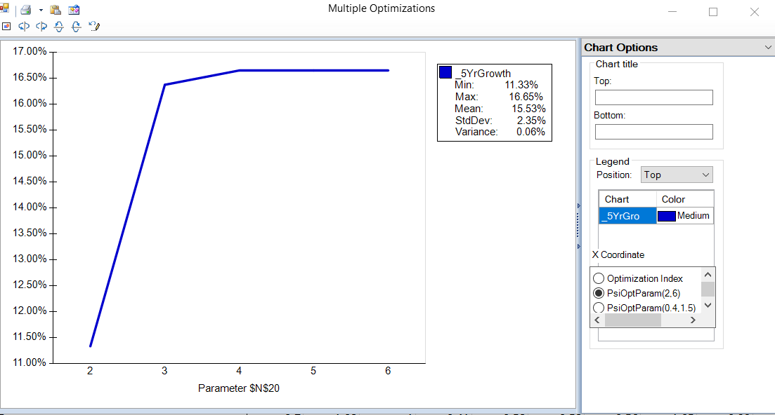
Portfolio Optimization

Decision Variables
 | IBM | ORCL | MSFT | XOM | MRK | KO | TRV | UTX | WMT | GE
Portfolio weight (%) | 0.00% | 0.00% | 15.94% | 84.06% | 0.00% | 0.00% | 0.00% | 0.00% | 0.00% | 0.00%

Objective Function
Max 5 yr growth % | 19.10% | 14.10% | 12.40% | 11.13% | 5.57% | 8.70% | 8.60% | 10.50% | 10.68% | 12.80% | 11.33%

Constraints |  |  |  |  |  |  |  |  |  |  | LHS |  | RHS
Sum of weights | 1 | 1 | 1 | 1 | 1 | 1 | 1 | 1 | 1 | 1 | 100.00% | <= | 100% | UL
Beta | 0.7 | 1.08 | 1 | 0.41 | 0.58 | 0.58 | 0.56 | 1.05 | 0.39 | 1.75 | 0.50405797101 | <= | 0.85 | UL
P/E | 14.25 | 25.04 | 11.6 | 13.28 | 55.11 | 19.51 | 8.87 | 17.92 | 13.77 | 20.09 | 13.012173913 | <= | 15 | UL
next yr growth | 14.00% | 10.60% | 8.20% | 15.10% | 6.20% | 9.80% | -1.00% | 14.00% | 9.60% | 22.70% | 14.00% | >= | 14.00% | LL
tech? | 1 | 1 | 1 | 0 | 0 | 0 | 0 | 0 | 0 | 0 | 0.15942028986 | <= | 0.7 | UL
other? | 0 | 0 | 0 | 0 | 1 | 0 | 0 | 1 | 1 | 1 | 0 | <= | 0.6 | UL
Div yield | 1.60% | 0.60% | 2.00% | 2.10% | 4.60% | 2.80% | 2.40% | 2.00% | 2.20% | 2.20% | 2.08% | >= | 1.00% | LL
 |  |  |  |  |  |  |  |  |  |  |  | LL | UL
Choose? | 0 | 0 | 1 | 1 | 0 | 0 | 0 | 0 | 0 | 0 | 2 | 1 | #NAME?
LB | 0.00% | 0.00% | 5.00% | 5.00% | 0.00% | 0.00% | 0.00% | 0.00% | 0.00% | 0.00%
UB | 0.00% | 0.00% | 100.00% | 100.00% | 0.00% | 0.00% | 0.00% | 0.00% | 0.00% | 0.00%

% of portfolio - Tech Stocks (IBM,MSFT,ORCL) | 15.94% | 70.00%
% of portfolio - MRK,UTX,WMT,GE | 0.00% | 60.00%
Tech Stocks | 1 | 1
GE,UTX | 0 | 1
(IBM,MSFT),ORCL

Sensitivity Parameters | lower | upper
Beta | 0.85 | 1.5
P/E | 125 | 125
Div yield | 1.00% | 4.50%

Q3_Report
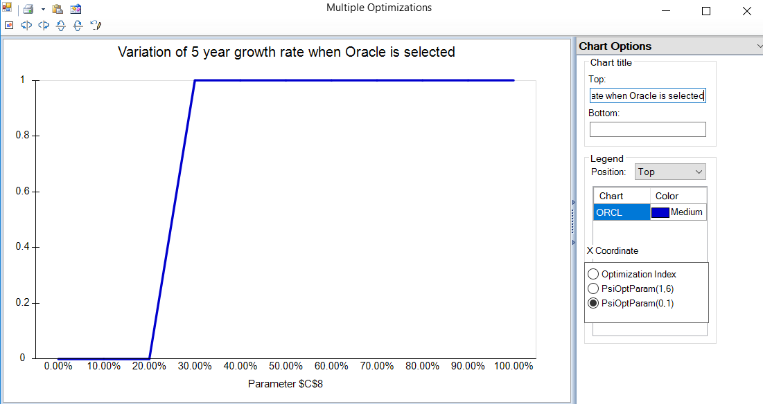
$C$8 | ORCL
0.00% | 0
10.00% | 0
20.00% | 0
30.00% | 1
40.00% | 1
50.00% | 1
60.00% | 1
70.00% | 1
80.00% | 1
90.00% | 1
100.00% | 1

